ART
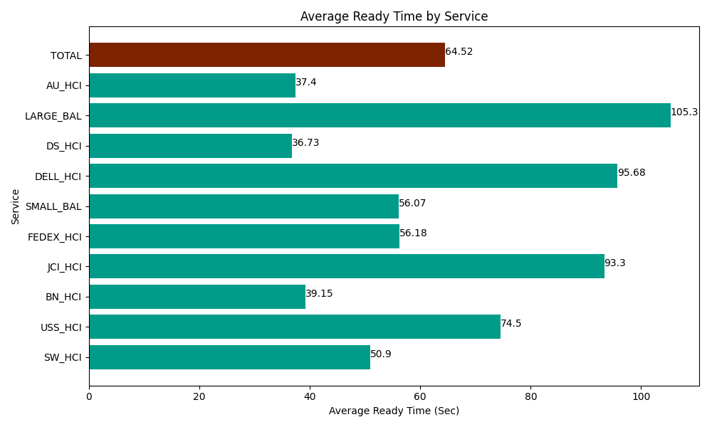
Date | Service | Successful Op Transfer | In Call (Sec) | Ready (Sec) | Wrapup (Sec) | Not Ready (Sec) | Average Ready Time (Sec)
04-29-2024 | SW_HCI | 201 | 8196.0003662 | 10231.799927 | 19290 | 21502.199707 | 50.9
04-29-2024 | USS_HCI | 379 | 46057.199707 | 28234.799194 | 45870 | 23457.000732 | 74.5
04-29-2024 | BN_HCI | 1001 | 51247.199707 | 39190.799561 | 89746.801758 | 62017.800293 | 39.15
04-29-2024 | JCI_HCI | 153 | 16127.999268 | 14275.19989 | 14818.799744 | 1238.9999771 | 93.3
04-29-2024 | FEDEX_HCI | 115 | 8205 | 6460.8000183 | 9666.0003662 | 11058.000183 | 56.18
04-29-2024 | SMALL_BAL | 376 | 22763.999634 | 21081.000366 | 46054.200439 | 62505 | 56.07
04-29-2024 | DELL_HCI | 71 | 5994.0000916 | 6793.2000732 | 19740 | 4342.7998352 | 95.68
04-29-2024 | DS_HCI | 593 | 44580 | 21782.999268 | 77287.199707 | 90739.797363 | 36.73
04-29-2024 | LARGE_BAL | 4 | 112.79999971 | 421.19999886 | 249.00000572 | 10.800000429 | 105.3
04-29-2024 | AU_HCI | 465 | 36967.800293 | 17392.800293 | 44992.800293 | 39010.198975 | 37.4
 | TOTAL | 3358 | 240251.99907 | 165864.59859 | 367714.80231 | 315882.59707 | 64.52

